4phDafterZhao
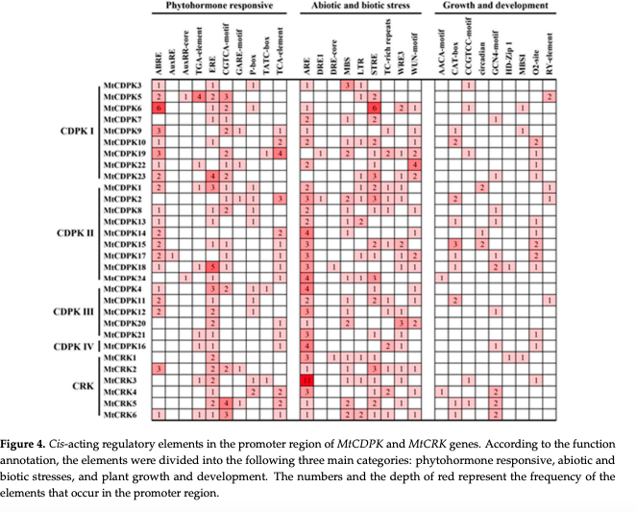
DHDPS type | Species | Gene model | DHDPS | Phytohormone responsive |  |  |  |  |  |  |  |  |  |  | Abiotic and biotic stress |  |  |  |  |  |  |  |  |  |  |  | Growth and development
 |  |  |  | ABRE | AuxRE | AuxRR-core | TGA-element | ERE | CGTCA-motif | GARE-motif | P-box | TATC-box | TCA-element | as-1 | ARE | DRE1 | DRE-core | MBS | MYB and MYB-like | MYC | LTR | STRE | TC-rich repeats | WRE3 | W-BOX | WUN-motif | AAGAA-motif | CAT-box | CCGTCC-motif | light responsiveness | GCN4-motif | HD-zip | MSA-like | MBSI | O2-site | RV-element | Total (within 1 kb)
A-type | G. max | Glyma.09G268200 | Gm.DHDPS-A1 | 1 | 0 | 0 | 2 | 2 | 2 | 0 | 0 | 0 | 0 | 2 | 0 | 0 | 0 | 0 | 2 | 1 | 1 | 0 | 0 | 0 | 0 | 2 | 0 | 0 | 0 | 4 | 0 | 0 | 0 | 1 | 1 | 0 | 21
A-type | G. max | Glyma.18G221700 | Gm.DHDPS-A2 | 3 | 0 | 0 | 0 | 3 | 0 | 0 | 0 | 0 | 0 | 0 | 1 | 0 | 0 | 0 | 2 | 1 | 0 | 0 | 1 | 0 | 0 | 0 | 0 | 0 | 0 | 14 | 0 | 0 | 0 | 0 | 0 | 0 | 25
B-type | G. max | Glyma.03G022300 | Gm.DHDPS-B | 0 | 0 | 0 | 0 | 5 | 0 | 0 | 0 | 0 | 0 | 0 | 0 | 0 | 0 | 0 | 0 | 0 | 1 | 0 | 0 | 0 | 1 | 1 | 0 | 0 | 0 | 1 | 0 | 0 | 0 | 0 | 0 | 0 | 9
A-type | L. Japonicus | LotjaGi1g1v0463600 | Lj.DHDPS-A | 2 | 0 | 0 | 4 | 1 | 4 | 1 | 0 | 1 | 3 | 4 | 0 | 0 | 0 | 1 | 10 | 2 | 1 | 1 | 0 | 3 | 0 | 0 | 0 | 0 | 0 | 5 | 0 | 0 | 0 | 0 | 0 | 0 | 43
B-type | L. Japonicus | LotjaGi3g1v0431700 | Lj.DHDPS-B1 | 0 | 0 | 0 | 0 | 1 | 0 | 0 | 0 | 0 | 1 | 0 | 3 | 0 | 0 | 0 | 3 | 2 | 0 | 0 | 0 | 0 | 2 | 0 | 0 | 0 | 0 | 7 | 0 | 0 | 0 | 0 | 0 | 0 | 19
B-type | L. Japonicus | LotjaGi3g1v0431900 | Lj.DHDPS-B2 | 0 | 0 | 0 | 1 | 1 | 1 | 0 | 0 | 0 | 0 | 1 | 0 | 0 | 1 | 1 | 1 | 0 | 0 | 0 | 1 | 0 | 1 | 1 | 1 | 1 | 0 | 7 | 0 | 1 | 0 | 0 | 0 | 0 | 20
B-type | L. Japonicus | LotjaGi3g1v0431800 | Lj.DHDPS-B3 | 4 | 0 | 0 | 1 | 0 | 0 | 0 | 0 | 0 | 0 | 0 | 1 | 0 | 0 | 0 | 3 | 1 | 0 | 0 | 0 | 0 | 0 | 0 | 0 | 0 | 0 | 5 | 0 | 0 | 0 | 0 | 1 | 0 | 16
B-type | L. Japonicus | LotjaGi4g1v0363100 | Lj.DHDPS-B4 | 0 | 0 | 0 | 1 | 1 | 1 | 0 | 0 | 0 | 1 | 1 | 2 | 0 | 0 | 1 | 5 | 0 | 0 | 0 | 1 | 0 | 1 | 1 | 0 | 0 | 0 | 11 | 0 | 0 | 0 | 0 | 0 | 0 | 27
A-type | Medicago truncatula | Medtr1g088775 | Mt.DHDPS-A1 | 3 | 0 | 0 | 0 | 1 | 0 | 0 | 2 | 0 | 1 | 0 | 0 | 0 | 0 | 0 | 1 | 2 | 0 | 3 | 0 | 0 | 0 | 2 | 1 | 1 | 3 | 4 | 1 | 0 | 0 | 0 | 0 | 0 | 25
A-type | Medicago truncatula | Medtr7g075090 | Mt.DHDPS-A2 | 0 | 0 | 0 | 1 | 0 | 0 | 0 | 0 | 0 | 0 | 0 | 0 | 0 | 0 | 1 | 4 | 1 | 0 | 3 | 0 | 0 | 0 | 0 | 1 | 1 | 0 | 6 | 0 | 0 | 0 | 0 | 0 | 0 | 18
B-type | Medicago truncatula | Medtr8g036040 | Mt.DHDPS-B1 | 0 | 0 | 1 | 1 | 3 | 1 | 0 | 0 | 0 | 0 | 1 | 2 | 1 | 0 | 0 | 3 | 4 | 0 | 0 | 0 | 0 | 2 | 2 | 0 | 0 | 0 | 5 | 0 | 0 | 0 | 0 | 0 | 0 | 26
B-type | Medicago truncatula | Medtr8g036035 | Mt.DHDPS-B2 | 3 | 0 | 0 | 0 | 1 | 0 | 0 | 0 | 0 | 0 | 0 | 1 | 0 | 0 | 1 | 4 | 0 | 0 | 3 | 0 | 2 | 0 | 0 | 0 | 1 | 0 | 4 | 0 | 0 | 0 | 0 | 0 | 0 | 20
B-type | Medicago truncatula | Medtr8g036020 | Mt.DHDPS-B3 | 1 | 0 | 0 | 1 | 0 | 2 | 1 | 0 | 0 | 1 | 2 | 1 | 0 | 0 | 0 | 8 | 6 | 1 | 1 | 0 | 0 | 3 | 0 | 2 | 0 | 0 | 5 | 0 | 0 | 0 | 0 | 1 | 0 | 36
B-type | Medicago truncatula | Medtr8g036050 | Mt.DHDPS-B4 | 0 | 0 | 0 | 0 | 0 | 0 | 0 | 0 | 0 | 1 | 0 | 2 | 0 | 0 | 0 | 1 | 1 | 0 | 0 | 0 | 1 | 0 | 0 | 0 | 0 | 0 | 3 | 1 | 0 | 1 | 0 | 0 | 0 | 11
A-type | Phaseolus vulgaris | Phvul.008G075400 | Pv.DHDPS-A | 2 | 0 | 0 | 0 | 0 | 0 | 0 | 0 | 0 | 2 | 0 | 1 | 0 | 0 | 1 | 2 | 1 | 0 | 0 | 0 | 0 | 0 | 1 | 0 | 0 | 0 | 9 | 0 | 0 | 0 | 0 | 0 | 0 | 19
B-type | Phaseolus vulgaris | Phvul.010G085500 | Pv.DHDPS-B | 0 | 0 | 0 | 0 | 0 | 0 | 0 | 0 | 0 | 1 | 0 | 1 | 0 | 3 | 1 | 1 | 1 | 0 | 0 | 0 | 0 | 1 | 0 | 1 | 1 | 0 | 9 | 0 | 0 | 0 | 0 | 0 | 0 | 20
A-type | Pisum sativum | Psat3g114440 | Ps.DHDPS-A | 2 | 0 | 0 | 1 | 3 | 0 | 0 | 1 | 0 | 0 | 0 | 0 | 0 | 0 | 1 | 4 | 2 | 0 | 0 | 0 | 0 | 0 | 1 | 2 | 0 | 0 | 5 | 0 | 0 | 0 | 0 | 0 | 0 | 22
B-type | Pisum sativum | Psat4g149480 | Ps.DHDPS-B1 | 0 | 0 | 0 | 2 | 0 | 1 | 0 | 0 | 0 | 0 | 1 | 1 | 0 | 0 | 1 | 9 | 1 | 0 | 2 | 0 | 0 | 0 | 0 | 3 | 0 | 0 | 1 | 0 | 0 | 0 | 0 | 1 | 0 | 23
B-type | Pisum sativum | Psat4g149520 | Ps.DHDPS-B2 | 0 | 0 | 0 | 2 | 2 | 2 | 0 | 0 | 0 | 1 | 2 | 0 | 0 | 0 | 0 | 6 | 6 | 0 | 1 | 1 | 0 | 0 | 0 | 1 | 0 | 0 | 3 | 0 | 0 | 0 | 0 | 0 | 0 | 27
B-type | Pisum sativum | Psat4g149440 | Ps.DHDPS-B3 | 0 | 0 | 0 | 1 | 4 | 1 | 0 | 1 | 0 | 0 | 1 | 0 | 0 | 1 | 0 | 4 | 1 | 0 | 1 | 0 | 0 | 1 | 0 | 1 | 0 | 0 | 6 | 0 | 0 | 0 | 0 | 1 | 0 | 24
A-type | Vigna unguiculata | Vigun05g079000 | Vu.DHDPS-A | 2 | 0 | 0 | 2 | 1 | 2 | 0 | 0 | 0 | 1 | 2 | 0 | 0 | 0 | 0 | 2 | 2 | 1 | 0 | 0 | 0 | 0 | 1 | 0 | 0 | 0 | 11 | 0 | 0 | 0 | 0 | 1 | 0 | 28
B-type | Vigna unguiculata | Vigun10g113600 | Vu.DHDPS-B | 0 | 0 | 0 | 1 | 1 | 0 | 0 | 0 | 0 | 0 | 0 | 1 | 0 | 0 | 1 | 2 | 2 | 0 | 3 | 0 | 0 | 1 | 1 | 0 | 0 | 0 | 1 | 0 | 0 | 0 | 0 | 0 | 0 | 14

REFERENCE_ARTICLES
https://www.ncbi.nlm.nih.gov/pmc/articles/PMC5598985/pdf/pone.0184523.pdf

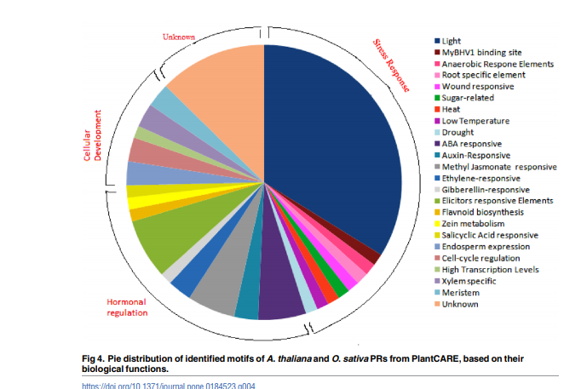

category | Sequence | Plant Care | Type1 | type2 | type3 | all types | conserved (DIALIGN score)

 |  |  |  |  |  |  |  | Light
 |  |  |  |  |  |  |  | Myb binding site
 |  |  |  |  |  |  |  | Myb Recognition Site
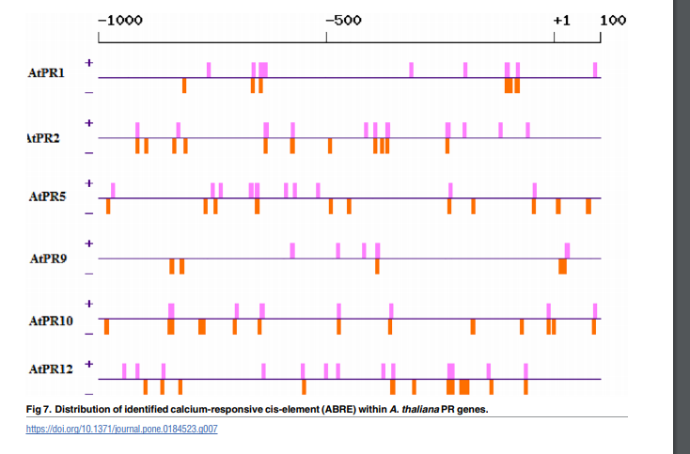

To gain insight into the potential function and regulatory mechanisms of the genes during plant development and responses to various stresses, the recognized putative cis-acting regulatory elements were analyzed from 2.0 kb DNA sequence in the promoter region of MtCDPK and MtCRK genes using the PlantCARE database. Various types of cis-acting regulatory elements were shown in Figure 4 and Table S4. There exist multiple phytohormone responsive elements including ABA response element (ABRE), auxin-responsive element (AuxRR, AuxRR-core, and TGA-element), ethylene-responsive element (ERE), MeJA-responsive element (CGTCA-motif), GA-responsive element (GARE-motif, P-box, and TATC-box), and salicylic acid-responsive element (TCA-element), suggesting that MtCDPKs and MtCRKs expression were regulated by different phytohormones. A variety of elements related to light-responsive elements were observed. The stress-responsive elements were found in the promoter of some MtCDPKs and MtCRKs, such as anaerobic induction element (ARE), dehydration-responsive element (DRE1 and DRE-core), drought-inducibility element (MBS), low-temperature-responsive element (LTR), defense and stress-responsive element (TC-rich repeats), stress-responsive element (STRE) and wound-responsive element (WRE3 and WUN-motif). Multiple growth and development elements were investigated, including endosperm-expression element (AACA-motif and GCN4-motif), meristem-expression element (CAT-box and CCGTCC-motif), circadian element, palisade mesophyll cells-expression element (HD-Zip 1), flavonoid biosynthetic genes regulation element (MBSI), zein metabolism regulation element (O2-site), and seedspecific regulation element (RY-element). Overall, two phytohormone responsive elements (ABRE and ERE) and two stress responsive elements (ARE and STRE) were detected in the promoter regions of most genes. But auxin-responsive elements, gibberellin-responsive elements, dehydration-responsive elements, and most of plant growth
from https://www.mdpi.com/1422-0067/22/3/1044
Zhao 2021

